View 1 - PostInfo
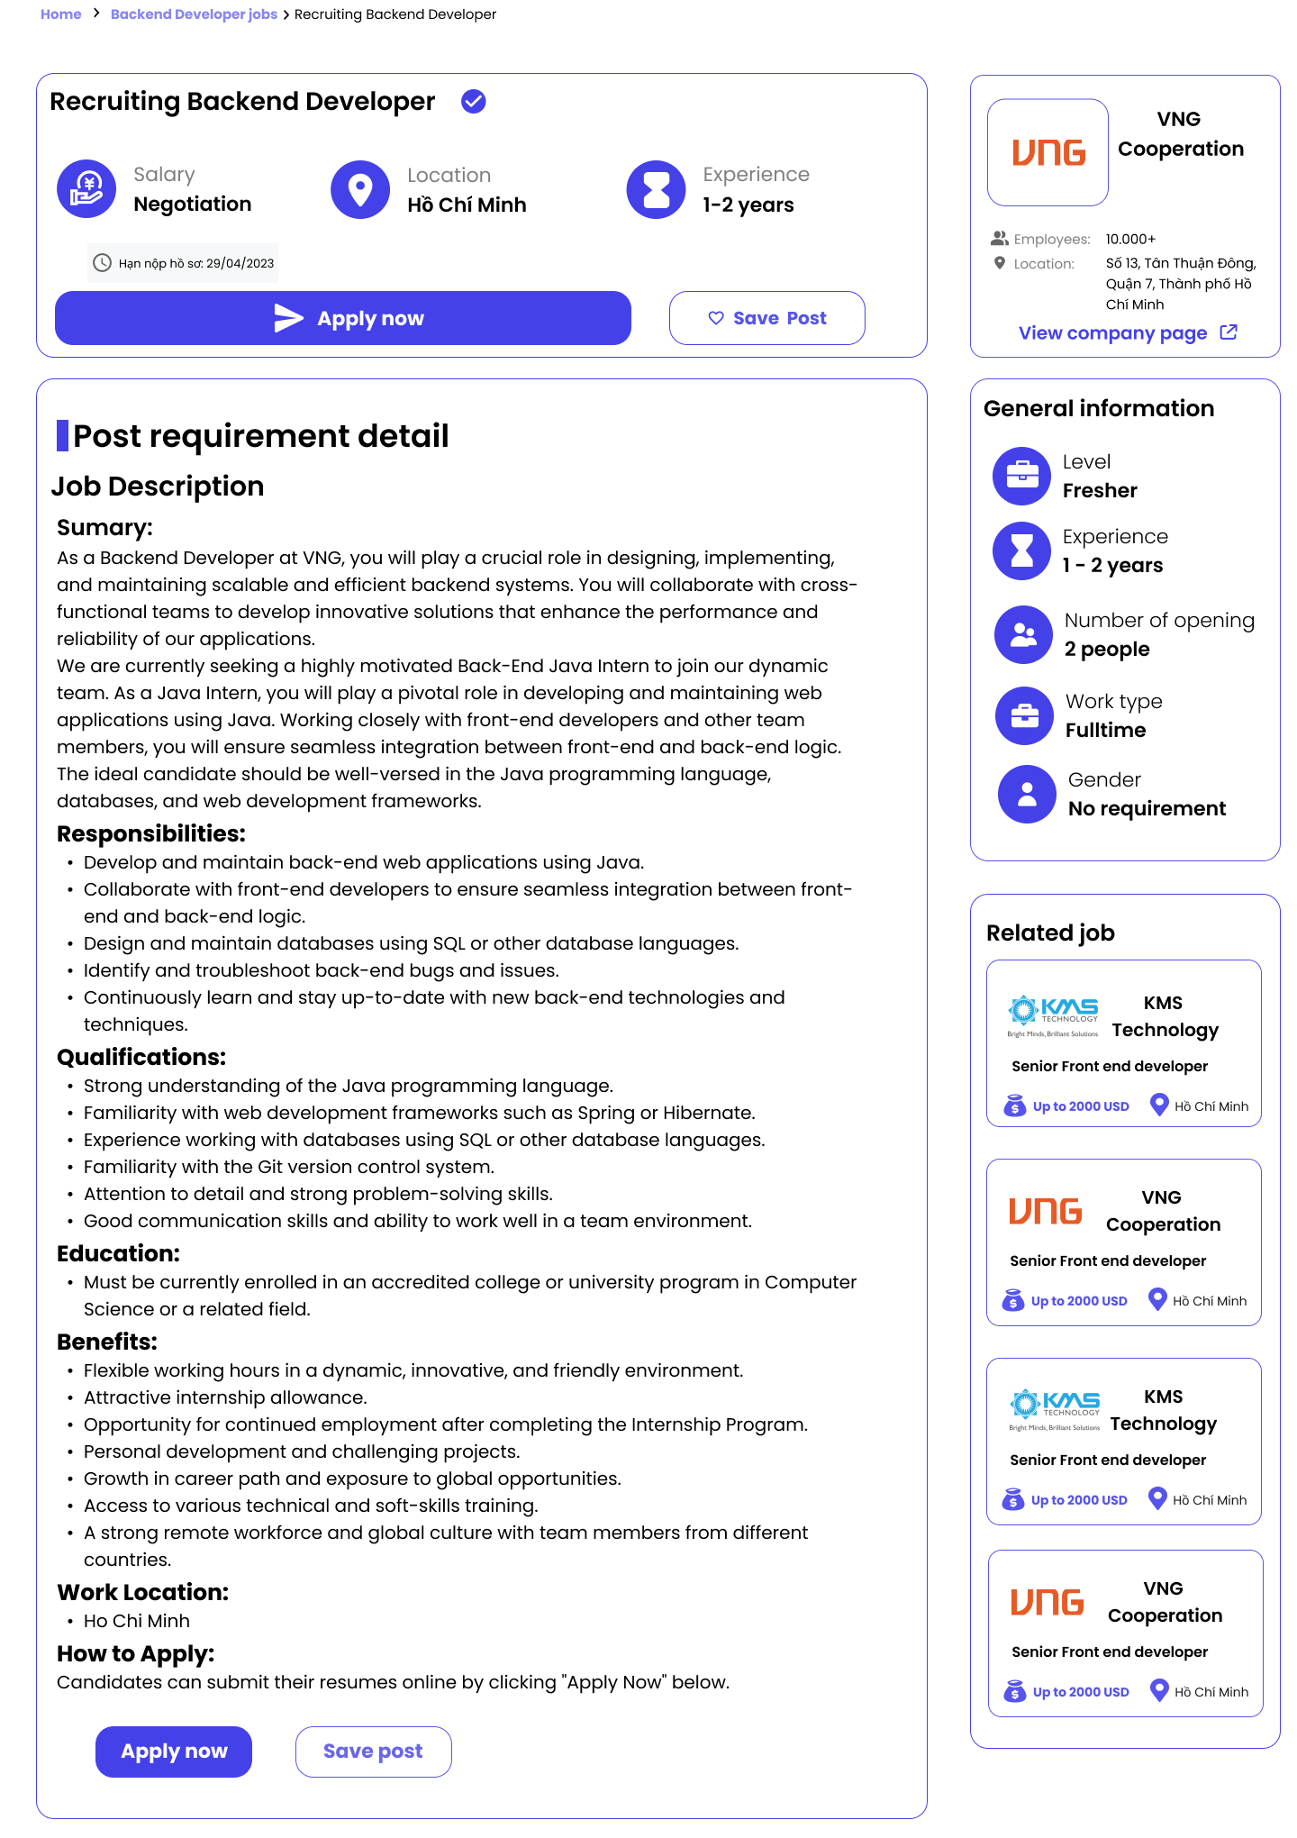
PostInfo |  |  |  |  |  |  |  | Custom Business Rules
# | Component | Data Type | Label | Editable (Yes/No) | Mandatory (Yes/No) | Default Value | Description | # | Rule Name | Rule Description
1 | postTitle | Label |  | No |  |  | The title of job application | 1 | Click on view company label
2 | postDescription | Label |  | No |  |  | The description of job application | 2 | Click on other job card | Show [View 1] with corresponding information
3 | applyButton | Button | Apply now | No |  |  | The button of apply. User click on this button to apply the job in the post | 3 | Click on the apply button | if([applyButton.isPressed == true]): [SelectCVModal].show();
4 | companyPage | Label | View company Page | No |  |  | The clickable lable. User can click on this lable to navigate to [CompanyProfile] view | 4 | Click on save post button | if([savePostButton].isPressed == true): [currentUser].[listFollowing].add([postID])
5 | relatedJobCard | Label | Related job | No |  |  | This label contain some related job. User can click to job card to view other job information
6 | jobInformationCard | Label | General information | No |  |  | The general information about job
7 | savePostButton | Button | Save Post | No |  |  | User can click on this button to add the post to [listFollowing]
8 | currentUser | Number |  |  |  |  | The unique id of the current user in system

Screen Layout

View 2 - ConfirmationModal
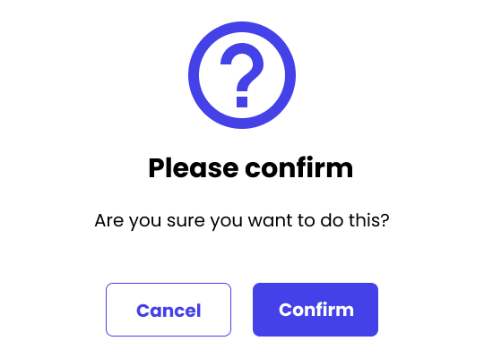
ConfirmationModal |  |  |  |  |  |  |  | Custom Business Rules
# | Component | Data Type | Label | Editable (Yes/No) | Mandatory (Yes/No) | Default Value | Description | # | Rule Name | Rule Description
1 | modalTitle | Label | Please confirm | No | Yes |  | The title of the modal | 1 | Click on "Confirm" Button | if ([confirmButton].isPressed == true): [response] = true return [response];
2 | modalDescription | Label | Are you sure you want to do this? | No | Yes |  | The desciption of modal | 2 | Click on "Cancel" Button | if ([cancelButton].isPressed == true): [response] = false return [response];
3 | confirmButton | Button | Confirm | No | Yes |  | The confirm button. User click on this button to confirm the opreation
4 | cancelButton | Button | Cancel | No | Yes |  | The cancel button. User click on this button to cancel the operation

Screen Layout

View 3 - SelectCVModal
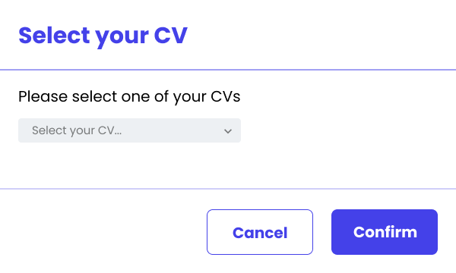
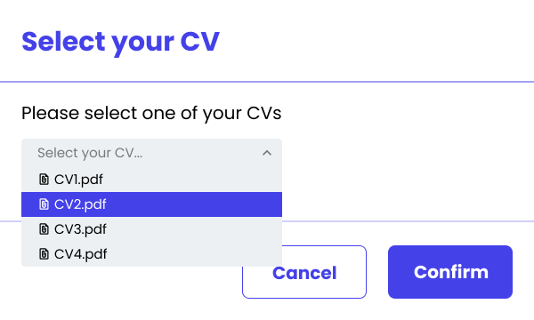
SelectCVModal |  |  |  |  |  |  |  | Custom Business Rules
# | Component | Data Type | Label | Editable (Yes/No) | Mandatory (Yes/No) | Default Value | Description | # | Rule Name | Rule Description
1 | modalTitle | Label | Select your CV | No |  |  | Show the title of the modal | 1 | Select CV | If user select one CV, the ID of this one will be assigned to [selectedCV].
2 | modalDescription | Label | Please select one of your CVs | No |  |  | Show the description of the modal | 2 | Click on "Confirm" Button | if ([confirmButton].isPressed == true): if ([selectedCV] == null): return ERMSG10; else: return [selectedCV];
3 | listCV | Drop-Down List |  | Yes | Yes | Select your CV… | Contain list ID of candidate CVs. | 3 | Click on "Cancel" Button | if ([cancelButton].isPressed == true): return null;
4 | confirmButton | Button | Confirm | No |  |  | The confirm button. User click on this button to confirm the opreation
5 | cancelButton | Button | Cancel | No |  |  | The cancel button. User click on this button to cancel the operation
6 | selectedCV | Number |  |  |  |  | The id of the CV that user selected

Screen Layout

View 4 - JobApplicationInfo
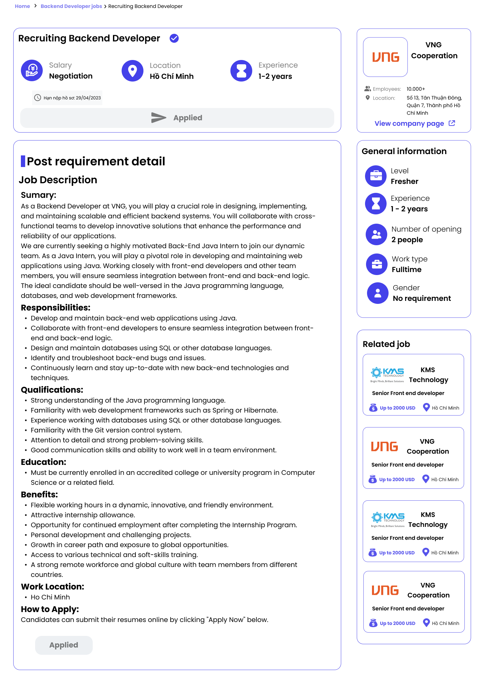
JobApplicationInfo |  |  |  |  |  |  |  | Custom Business Rules
# | Component | Data Type | Label | Editable (Yes/No) | Mandatory (Yes/No) | Default Value | Description | # | Rule Name | Rule Description
1 | jobApplicationTitle | Label |  | No |  |  | The title of job application | 1 | Click on view company label
2 | jobApplicationDescription | Label |  | No |  |  | The description of job application | 2 | Click on other job card | Show [View 1] with corresponding information
3 | applyButton | Button | Applied | No |  |  | The button of apply. User cannot click on this button
4 | companyPage | Label | View company Page | No |  |  | The clickable lable. User can click on this lable to navigate to [CompanyProfile] view
5 | relatedJobCard | Label | Related job | No |  |  | This label contain some related job. User can click to job card to view other job information
6 | jobInformationCard | Label | General information | No |  |  | The general information about job

Screen Layout

View 5 - ManageJobApplication
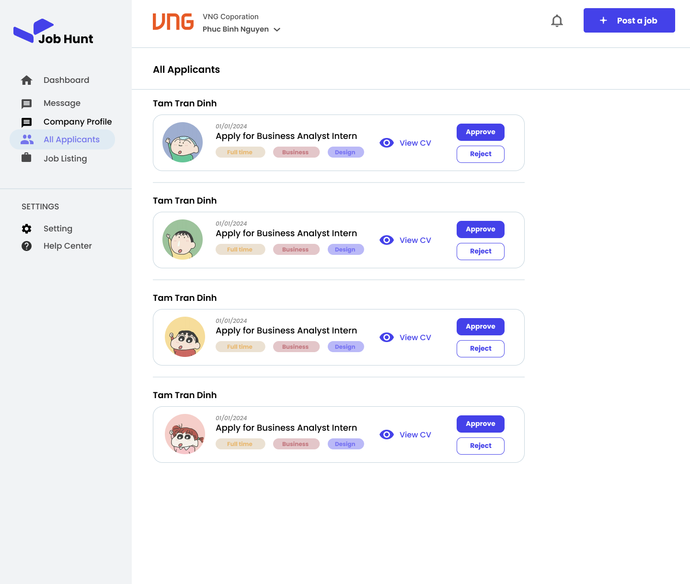
ManageJobApplication |  |  |  |  |  |  |  | Custom Business Rules
# | Component | Data Type | Label | Editable (Yes/No) | Mandatory (Yes/No) | Default Value | Description | # | Rule Name | Rule Description
1 | jobApplicationTitle | Label |  | No |  |  | The title of job application | 1 | Click on view cv button | if ([viewCVButton].isPressed == true): [candidateCV].show();
2 | viewCVButton | Button | View CV | No |  |  | User click to this button to view Candidate's CV file | 2 | Click on the approve button | if ([approveButton].isPressed == true): [jobApplication].[isAccepted] = true;
3 | candidateName | Label |  | No |  |  | The name of the candidate who applied this job | 3 | Click on the reject button | if ([rejectButton].isPressed == true): [jobApplication].[isAccepted] = false;
4 | candidateAvatar | Image |  | No |  |  | The avatar of the candidate
5 | approveButton | Button | Approve | No |  |  | User click to this button to approve this job application
6 | rejectButton | Button | Reject | No |  |  | User click to this button to reject this job application
7 | dateSent | Date Time |  | No |  |  | The date that candidate sent job application

Screen Layout

View 6 - Message
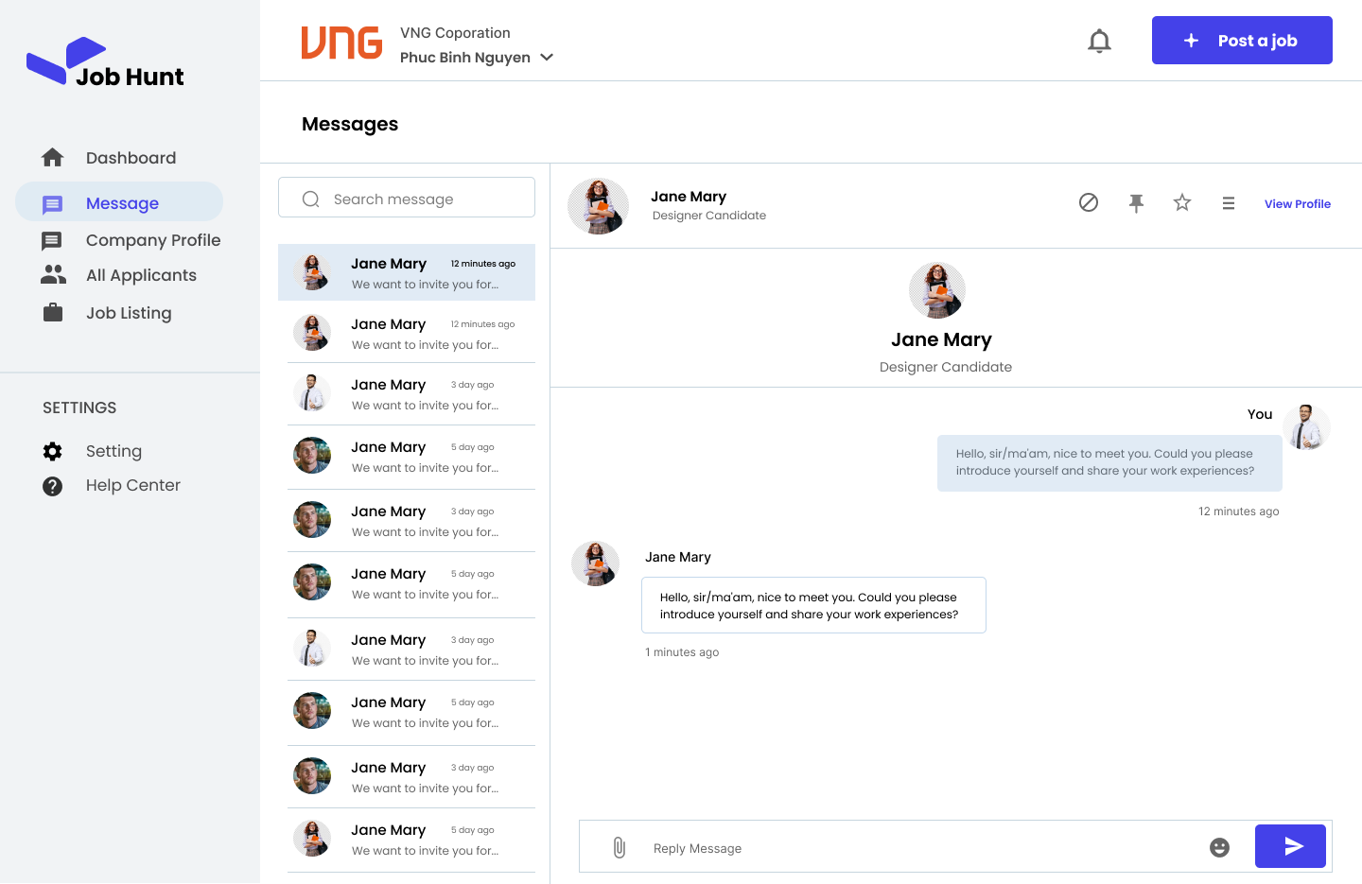
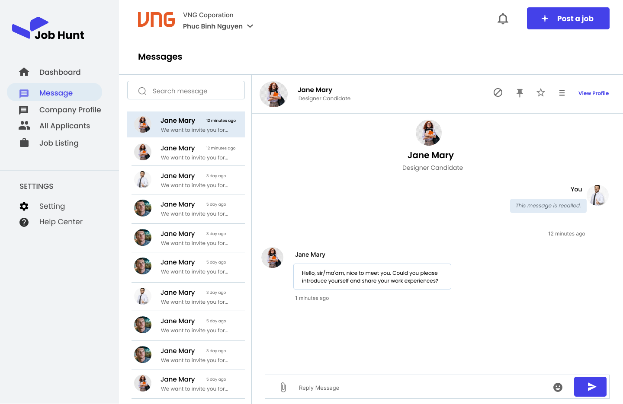
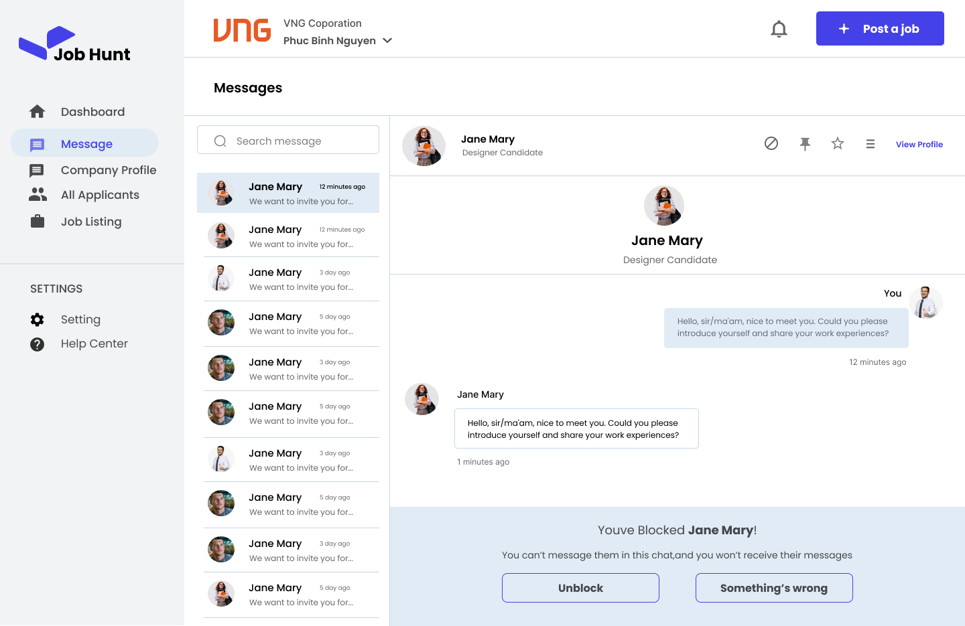
Message |  |  |  |  |  |  |  | Custom Business Rules
# | Component | Data Type | Label | Editable (Yes/No) | Mandatory (Yes/No) | Default Value | Description | # | Rule Name | Rule Description
1 | chatCard | Label |  | No |  |  | User click to this label to open the chat log with the other user | 1 | Type message to reply text box | [replyTextBox].onchange(): this.value = input;
2 | viewProfileButton | Label | View Profile | No |  |  | User click to this label to navigate to profile page of the user that this user chat with | 2 | Click on the send button | if([sendButton].isPressed == true): [chat].[listMessage].add([replyTextBox].value);
3 | otherUserNameLable | Label |  | No |  |  | Contain the other user name | 3 | Show message | if([messageLabel].[message].[isRecalled] == true): [messageLabel].text = "This message is recalled."
4 | messageLabel | Label |  | No |  |  | Contain the message. User can hold this lable to open the [MessageControlModal] of this message | 4 | Long press on message label | if([messageLable].isLongPress == true): [MessageControlModal].show();
5 | replyTextBox | Textbox (Multiple lines) |  | Yes |  | Reply Message | User type the message in this text box | 5 | Click on the block button | if([blockButton].isPressed == true): [chat].[isBlocked] = true;
6 | sendButton | Button |  | No |  |  | User click on this button to send the message to the other | 6 | Click on the unblock button | if([unblockButton].isPressed == true): [chat].[isBlocked] = true;
7 | blockButton | Button |  | No |  |  | User click on this button to block the other user | 7 | Show unblock button | if([chat].[isBlocked] == true): [unblockButton].show();
8 | unblockButton | Button |  | No |  |  | User click on this button to unblock the other user | 8 | Show reply text box | if([chat].[isBlocked] == false): [replyTextBox].show();

Screen Layout

View 9 - Sign up pick Role

Sign up role page
# | Component | Data Type | Label | Editable (Yes/No) | Mandatory (Yes/No) | Default Value | Description
1 | LabelQuestion | Label | What do you want to join as | No |  |  | Show the title of the modal
2 | RadioButtonRole | Radio Button | Role | Yes | Yes |  | Show the description of the modal
3 | LoginContinue | Button | Login | No |  |  | Contain list ID of candidate CVs.

# | Rule Name | Rule Description
 | Check empty radio | Radio button have to be check

View 13 - Job listing
Job listing page
# | Component | Data Type | Label | Editable (Yes/No) | Mandatory (Yes/No) | Default Value | Description
1 | ImgLogoCompany | Image | Logo of company | No |  |  | The image show logo of company
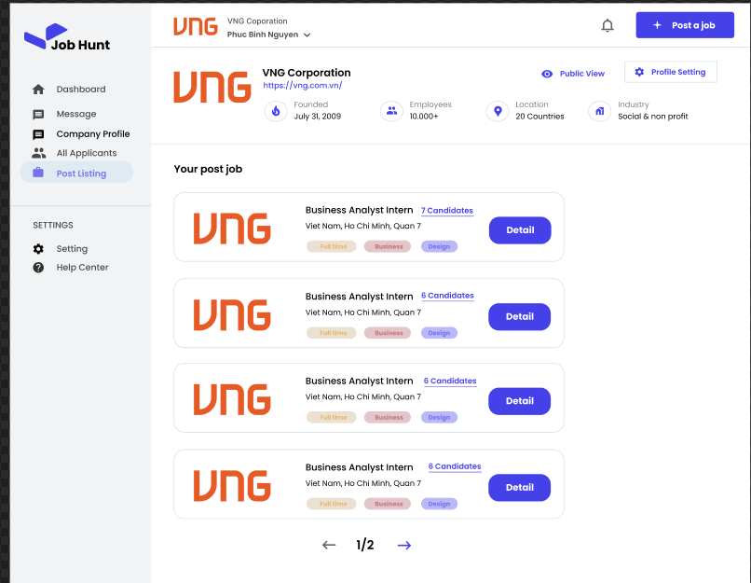
2 | postCard | Label | The post infromation card | No |  |  | The post card show simple post information
3 | DetailButton | Button | Button post detail | No |  |  | The button show post detail
4 | PostJobButton | Button | Button to post new job | No |  |  | The button to post new job post
5 | ButtonNext | Button | Button to go next page | No |  |  | Button tio go to next page
6 | ButtonBack | Button | Button to go page back | No |  |  | Button to go to page

# | Rule Name | Rule Description

View 16 - Analysis
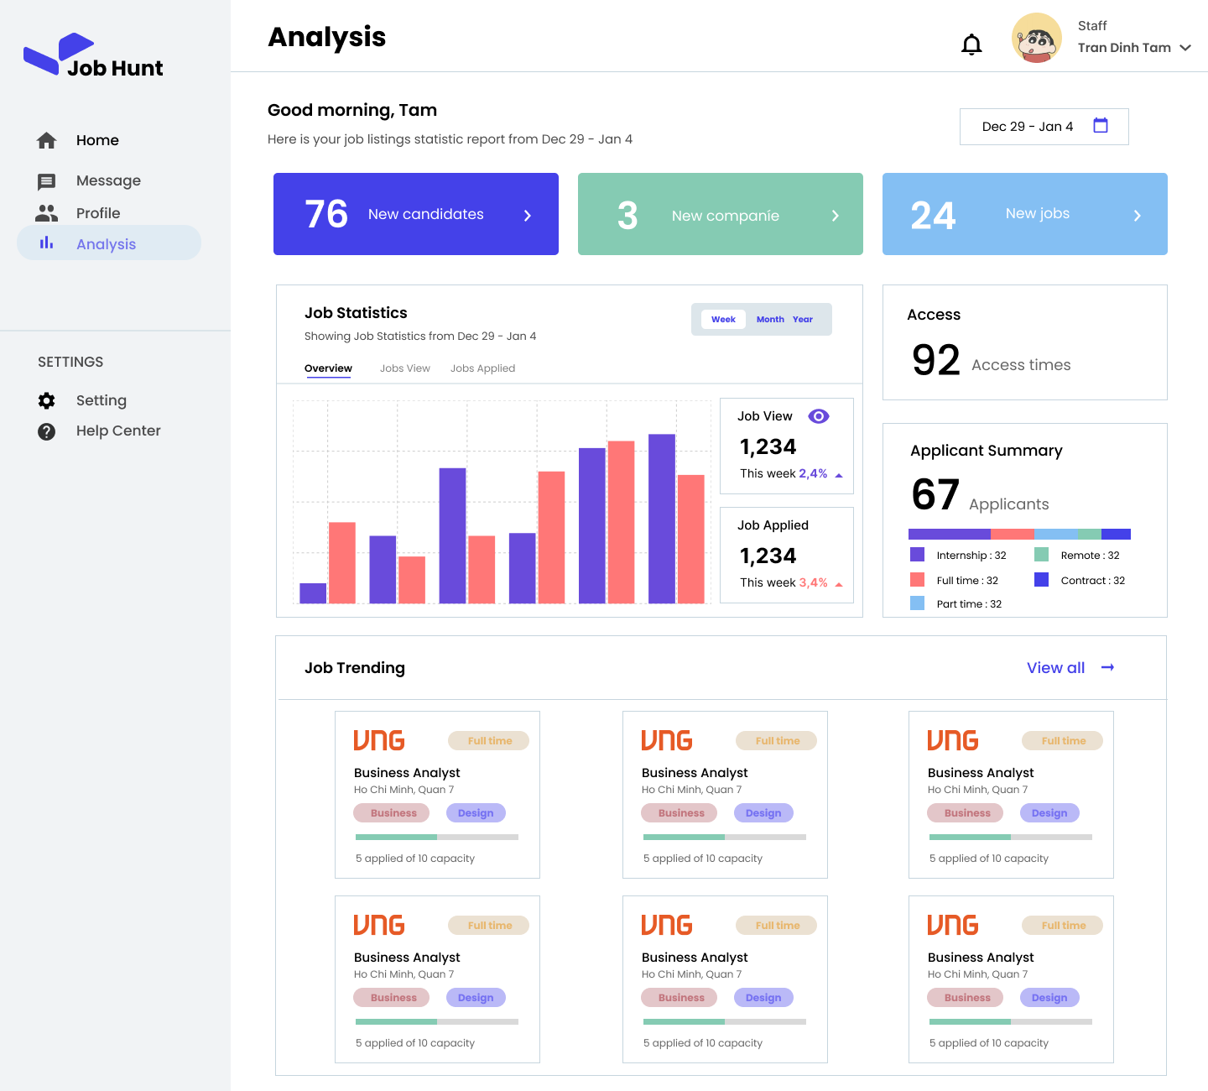
CreateAccount |  |  |  |  |  |  |  | Custom Business Rules
# | Component | Data Type | Label | Editable (Yes/No) | Mandatory (Yes/No) | Default Value | Description | # | Rule Name | Rule Description
1 | titleLabel | Label | Analysis | No |  |  | The title of the page
2 | navigationBar | Label |  | No |  |  | Clickable label. User click on one of these lable to navigate other view
3 | newCandidatesLabel | Label |  | No |  |  | The number of new candidates in system
4 | newCompaniesLabel | Label |  | No |  |  | The number of new companies in system
5 | newJobLable | Label |  | No |  |  | The number of new jobs in system
6 | jobStatisticChart | Label |  | No |  |  | The chart about job statistic
7 | jobTrendingCard | Label |  |  |  |  | The job which trending

Screen Layout

View 17 - Modal Report Post
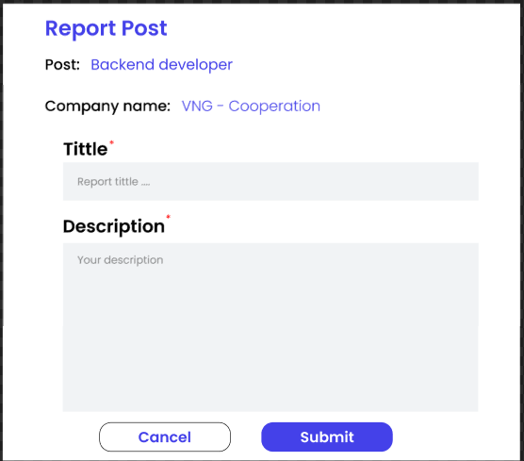
Modal Report Company
# | Component | Data Type | Label | Editable (Yes/No) | Mandatory (Yes/No) | Default Value | Description
1 | LabelPostName | Label | Post name | No |  |  | Name of post
2 | LabelCompanyName | Label | Post description | No |  |  | Name of company own this post
3 | LabelTittle | Label | Tittle of report | No |  |  | Show label for post description
4 | LabelDescription | Image | Description of report | No |  |  | Show label for Job post input
5 | TextBoxTittle | TextBox | Tittle of report | Yes | Yes |  | Get input tittle report from user
6 | TextBoxDescription | TextBox | Description of report | Yes | Yes |  | Get input description report from user
7 | ButtonSubmit | Button | Button submit report | No |  |  | Submit report

# | Rule Name | Rule Description
1 | Check empty | Tittle and report must not empty

View18 - Modal Report Company
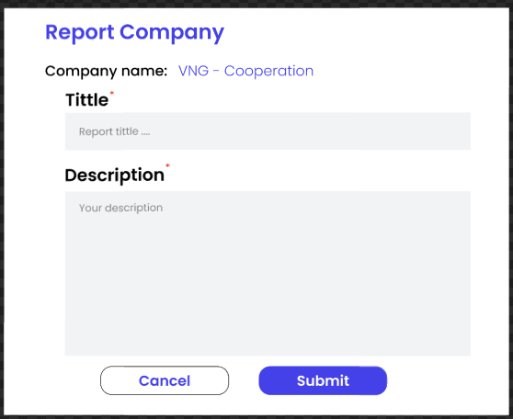
Modal Report Company
# | Component | Data Type | Label | Editable (Yes/No) | Mandatory (Yes/No) | Default Value | Description
1 | LabelCompanyName | Label | Post description | No |  |  | Name of company
2 | LabelTittle | Label | Tittle of report | No |  |  | Show label for post description
3 | LabelDescription | Image | Description of report | No |  |  | Show label for Job post input
4 | TextBoxTittle | TextBox | Tittle of report | Yes | Yes |  | Get input tittle report from user
5 | TextBoxDescription | TextBox | Description of report | Yes | Yes |  | Get input description report from user
6 | ButtonSubmit | Button | Button submit report | No |  |  | Submit report

# | Rule Name | Rule Description
1 | Check empty | Tittle and report must not empty

View 19 - Modal Report User
Modal Report User
# | Component | Data Type | Label | Editable (Yes/No) | Mandatory (Yes/No) | Default Value | Description
1 | LabelUserName | Label | Post description | No |  |  | Name of User
2 | LabelTittle | Label | Tittle of report | No |  |  | Show label for post description
3 | LabelDescription | Image | Description of report | No |  |  | Show label for Job post input
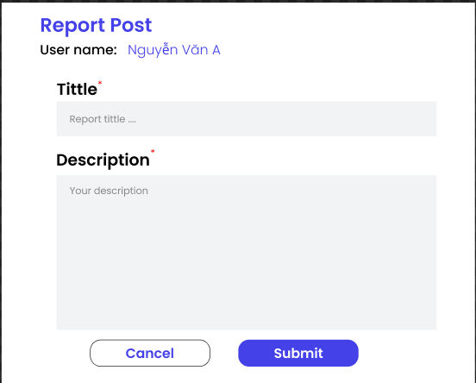
4 | TextBoxTittle | TextBox | Tittle of report | Yes | Yes |  | Get input tittle report from user
5 | TextBoxDescription | TextBox | Description of report | Yes | Yes |  | Get input description report from user
6 | ButtonSubmit | Button | Button submit report | No |  |  | Submit report

# | Rule Name | Rule Description
1 | Check empty | Tittle and report must not empty

View 20 - ManageAccount
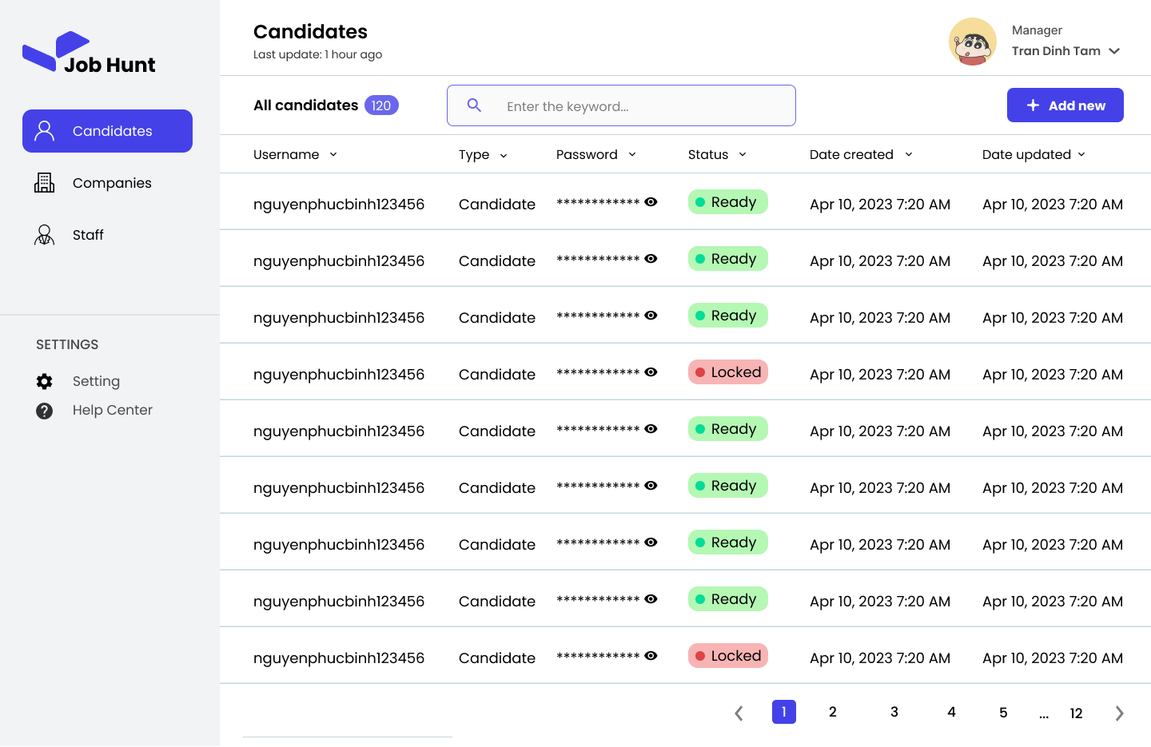
ManageAccount |  |  |  |  |  |  |  | Custom Business Rules
# | Component | Data Type | Label | Editable (Yes/No) | Mandatory (Yes/No) | Default Value | Description | # | Rule Name | Rule Description
1 | titleLabel | Label |  | No |  |  | The title of Candidates page | 1 | Search | [searchBar].onChange(): keyword = [searchBar].value;
2 | searchBar | Textbox (Single line) |  | Yes |  | Enter the keyword… | User enter the keyword to search account by username | 2 | Click on add new button | if([addNewButton].isPressed == true): [CreateAccount].show();
3 | accountInfoCard | Label |  | No |  |  | The clickable label. User click on this label to show [AccountInfo] view
4 | usernameLabel | Label |  | No |  |  | The username of account
5 | passwordLabel | Password |  | No |  |  | The password of account
6 | typeLabel | Label |  | No |  |  | The type of account (Staff, Company, Candidates)
7 | dateCreatedLabel | Label |  | No |  |  | The date that the account was created
8 | dateUpdatedLabel | Label |  | No |  |  | The last date that the account was updated
9 | addNewButton | Button | Add new | No |  |  | User click on this button to add new account to the system
10 | avatarImage | Image |  | No |  |  | The avatar of the user
11 | nameLable | Label |  | No |  |  | The name of the user
12 | roleLabel | Label | Manager | No |  |  | The role of the user
13 | hidePassButton | Button |  | No |  |  | User click on this button to change the type of password from "Text" to "Password"
14 | showPassButton | Button |  | No |  |  | User click on this button to change the type of password from "Password" to "Text"
15 | keyword |  |  | Yes |  | null | The keyword that user enter to [searchBar] to search account

Screen Layout

View 21 - LandingPage
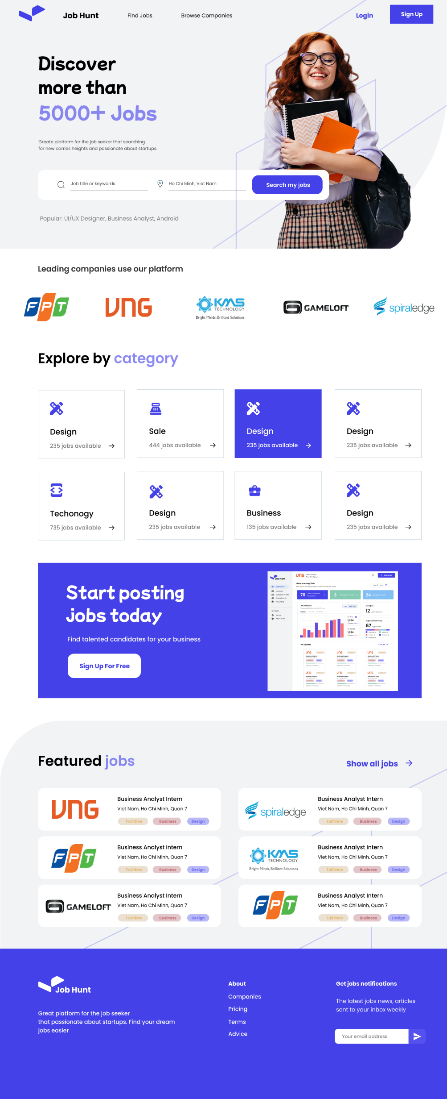
LandingPage |  |  |  |  |  |  |  | Custom Business Rules
# | Component | Data Type | Label | Editable (Yes/No) | Mandatory (Yes/No) | Default Value | Description | # | Rule Name | Rule Description
1 | headerLabel | Label |  | No |  |  | The header of the landing page | 1 | Search | [searchBar].onChange(): keyword = [searchBar].value;
2 | bannerLabel | Label |  | No |  |  | The banner of the landing page
3 | loginButton | Button |  | No |  |  | User click on this button to log into the system
4 | signupButton | Button |  | No |  |  | User click on this button to sign up new account
5 | searchBar | Textbox (Single line) |  | Yes |  | Job title or keywords | User enter the keyword to search
6 | categoryLable | Label |  | No |  |  | The clickable lable. User click on this label to search by category
7 | jobCard | Label |  | No |  |  | The clickable label. This label contain the tranding job. User can click to this label to navigate to [PostInfo] with corresponding information.
8 | footerLabel | Label |  | No |  |  | Contain informtion of the system.
9 | keyword |  |  |  |  |  | The keyword that user entered

Screen Layout

View 22 - Modal Rating Company
Modal Rating Company
# | Component | Data Type | Label | Editable (Yes/No) | Mandatory (Yes/No) | Default Value | Description
1 | LabelRate | Label | Rate | No |  |  | Name of company
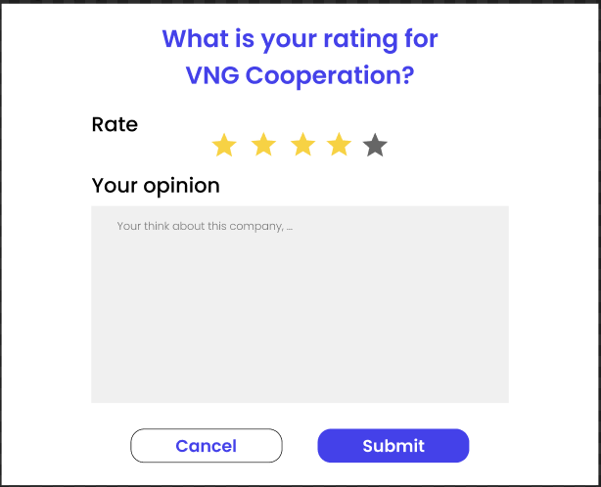
2 | StarComponent | Label |  | Yes |  |  | Star rating of company
3 | LabelOpinion | Label | Your Opinion | No |  |  | Show label for opinion
4 | TextBoxOpinion | TextBox | Your think about company | Yes | Yes |  | Get input description of rating from user
5 | ButtonCancel | Button | Button cancel rating | No | Yes |  | Button cancel the rating modal
6 | ButtonSubmit | Button | Button submit rating | No |  |  | Submit rating

# | Rule Name | Rule Description
1 | Check empty | Rating start not empty

View 23 - Modal Rating Candidat
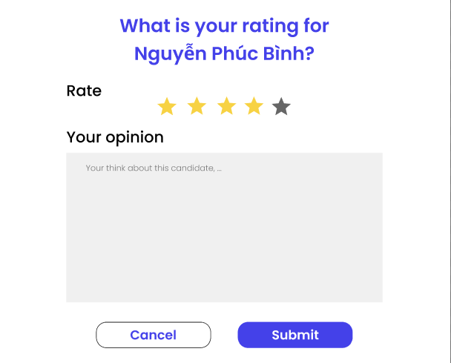
Modal Rating Candidate
# | Component | Data Type | Label | Editable (Yes/No) | Mandatory (Yes/No) | Default Value | Description
1 | LabelRate | Label | Rate | No |  |  | Name of company
2 | StarComponent | Label |  | Yes |  |  | Star rating of company
3 | LabelOpinion | Label | Your Opniion | No |  |  | Show label for opinion
4 | TextBoxOpinion | TextBox | Your think about candidate | Yes | Yes |  | Get input description of rating from user
5 | ButtonCancel | Button | Button cancel rating | No | Yes |  | Button cancel the rating modal
6 | ButtonSubmit | Button | Button submit rating | No |  |  | Submit rating

# | Rule Name | Rule Description
1 | Check empty | Rating start not empty

View 24 - AccountInfo
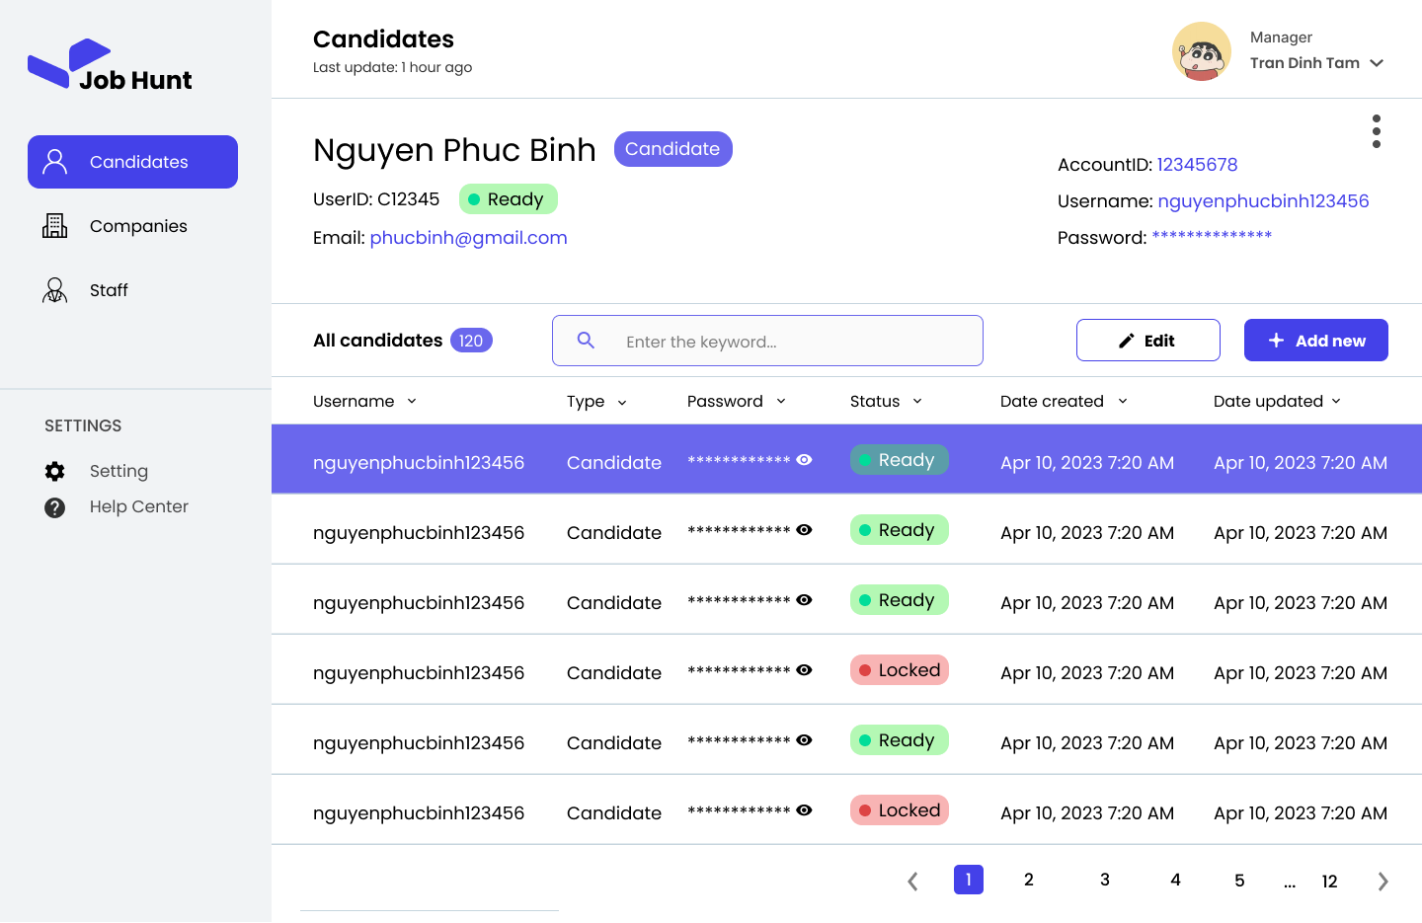
AccountInfo |  |  |  |  |  |  |  | Custom Business Rules
# | Component | Data Type | Label | Editable (Yes/No) | Mandatory (Yes/No) | Default Value | Description | # | Rule Name | Rule Description
1 | titleLabel | Label |  | No |  |  | The title of Candidates page | 1 | Search | [searchBar].onChange(): keyword = [searchBar].value;
2 | searchBar | Textbox (Single line) |  | Yes |  | Enter the keyword… | User enter the keyword to search account by username | 2 | Click on hide pass button | if([hidePassButton].isPressed == true): [passwordLabel].type = "password";
3 | accountInfoCard | Label |  | No |  |  | The clickable label. User click on this label to show [AccountInfo] view | 3 | Click on show pass button | if([showPassButton].isPressed == true): [passwordLabel].type = "text";
4 | usernameLabel | Label |  | No |  |  | The username of account
5 | passwordLabel | Password |  | No |  |  | The password of account
6 | typeLabel | Label |  | No |  |  | The type of account (Staff, Company, Candidates)
7 | dateCreatedLabel | Label |  | No |  |  | The date that the account was created
8 | dateUpdatedLabel | Label |  | No |  |  | The last date that the account was updated
9 | addNewButton | Button | Add new | No |  |  | User click on this button to add new account to the system
10 | avatarImage | Image |  | No |  |  | The avatar of the user
11 | nameLable | Label |  | No |  |  | The name of the user
12 | roleLabel | Label | Manager | No |  |  | The role of the user
13 | hidePassButton | Button |  | No |  |  | User click on this button to change the type of password from "Text" to "Password"
14 | showPassButton | Button |  | No |  |  | User click on this button to change the type of password from "Password" to "Text"
15 | keyword |  |  | Yes |  | null | The keyword that user enter to [searchBar] to search account
16 | editButton | Button | Edit | No |  |  | User click on this button to open [UpdateAccount]

Screen Layout

View 25 - UpdateAccount
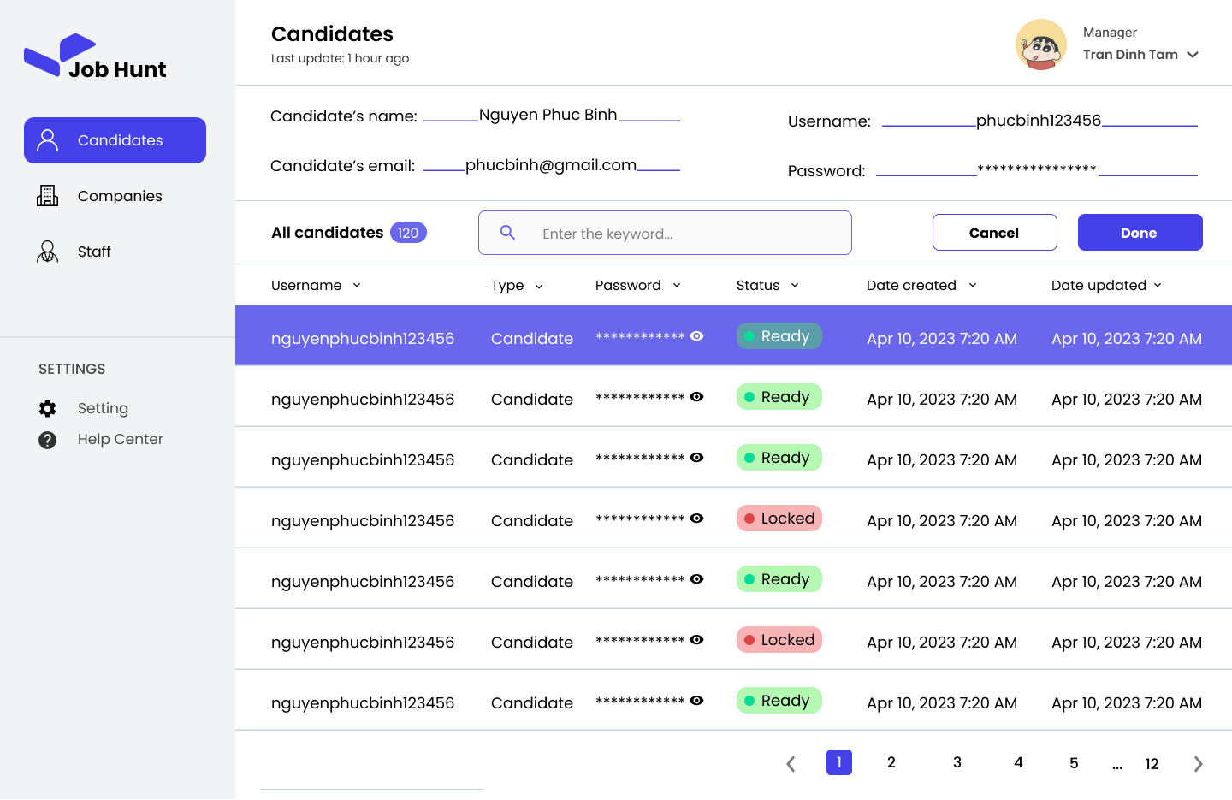
UpdateAccount |  |  |  |  |  |  |  | Custom Business Rules
# | Component | Data Type | Label | Editable (Yes/No) | Mandatory (Yes/No) | Default Value | Description | # | Rule Name | Rule Description
1 | titleLabel | Label |  | No |  |  | The title of Candidates page | 1 | Search | [searchBar].onChange(): keyword = [searchBar].value;
2 | searchBar | Textbox (Single line) |  | Yes |  | Enter the keyword… | User enter the keyword to search account by username | 2 | Enter candidate name | - The candidate's name must not be empty if([nameTextbox].value == null): return ERMSG12;
3 | accountInfoCard | Label |  | No |  |  | The clickable label. User click on this label to show [AccountInfo] view | 3 | Enter candidate email | - The candidate's email must not be empty if([emailTextbox].value == null): return ERMSG13; - if(type([emailTextbox].value) != "email"): return ERMSG 16;
4 | usernameLabel | Label |  | No |  |  | The username of account | 4 | Enter candidate email | - The candidate's username must not be empty if([usernameTextbox].value == null): return ERMSG14;
5 | passwordLabel | Password |  | No |  |  | The password of account | 5 | Enter candidate email | - The candidate's password must not be empty if([passwordTextbox].value == null): return ERMSG15;
6 | typeLabel | Label |  | No |  |  | The type of account (Staff, Company, Candidates) | 6 | Click on hide pass button | if([hidePassButton].isPressed == true): [passwordLabel].type = "password";
7 | dateCreatedLabel | Label |  | No |  |  | The date that the account was created | 7 | Click on show pass button | if([showPassButton].isPressed == true): [passwordLabel].type = "text";
8 | dateUpdatedLabel | Label |  | No |  |  | The last date that the account was updated | 8
9 | doneButton | Button | Done | No |  |  | User click on this button to confirm the changes | 9
10 | avatarImage | Image |  | No |  |  | The avatar of the user
11 | nameLable | Label |  | No |  |  | The name of the user
12 | roleLabel | Label | Manager | No |  |  | The role of the user
13 | hidePassButton | Button |  | No |  |  | User click on this button to change the type of password from "Text" to "Password"
14 | showPassButton | Button |  | No |  |  | User click on this button to change the type of password from "Password" to "Text"
15 | keyword |  |  | Yes |  | null | The keyword that user enter to [searchBar] to search account
16 | cancelButton | Button | Cancel | No |  |  | User click on this button to discard the changes
17 | nameTexbox | Textbox (Single line) |  | Yes |  |  | User enter the value to change the candidate's name
18 | emailTextbox | Textbox (Single line) |  | Yes |  |  | User enter the value to change the candidate's email
19 | usernameTexbox | Textbox (Single line) |  | Yes |  |  | User enter the value to change the candidate's username
20 | passwordTextbox | Textbox (Single line) |  | Yes |  |  | User enter the value to change the candidate's password

Screen Layout

View 27 - CreateAccount
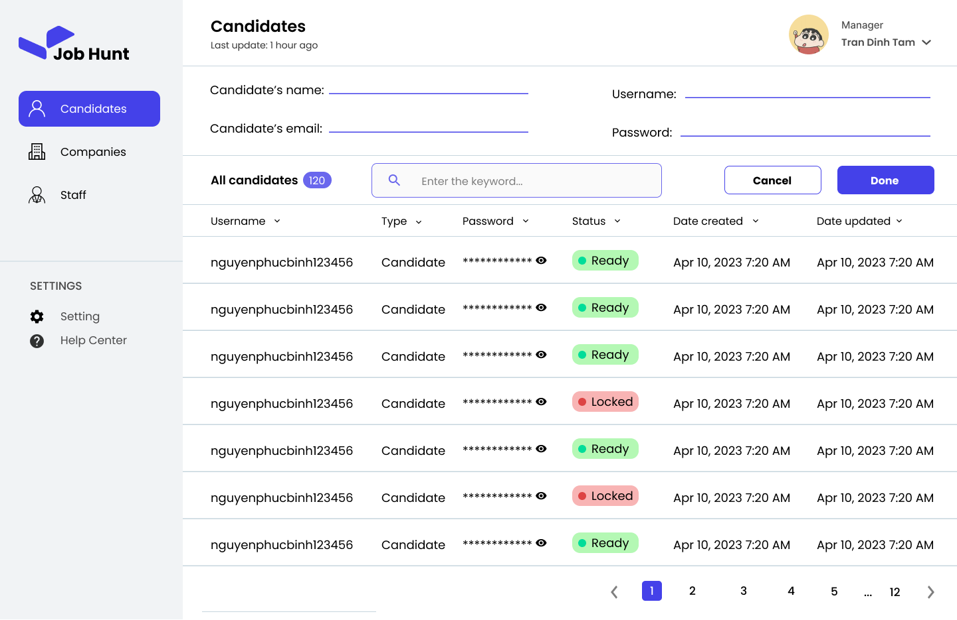
CreateAccount |  |  |  |  |  |  |  | Custom Business Rules
# | Component | Data Type | Label | Editable (Yes/No) | Mandatory (Yes/No) | Default Value | Description | # | Rule Name | Rule Description
1 | titleLabel | Label |  | No |  |  | The title of Candidates page | 1 | Search | [searchBar].onChange(): keyword = [searchBar].value;
2 | searchBar | Textbox (Single line) |  | Yes |  | Enter the keyword… | User enter the keyword to search account by username | 2 | Enter candidate name | - The candidate's name must not be empty if([nameTextbox].value == null): return ERMSG12;
3 | accountInfoCard | Label |  | No |  |  | The clickable label. User click on this label to show [AccountInfo] view | 3 | Enter candidate email | - The candidate's email must not be empty if([emailTextbox].value == null): return ERMSG13; - if(type([emailTextbox].value) != "email"): return ERMSG 16;
4 | usernameLabel | Label |  | No |  |  | The username of account | 4 | Enter candidate username | - The candidate's username must not be empty if([usernameTextbox].value == null): return ERMSG14;
5 | passwordLabel | Password |  | No |  |  | The password of account | 5 | Enter candidate password | - The candidate's password must not be empty if([passwordTextbox].value == null): return ERMSG15;
6 | typeLabel | Label |  | No |  |  | The type of account (Staff, Company, Candidates) | 6 | Click on hide pass button | if([hidePassButton].isPressed == true): [passwordLabel].type = "password";
7 | dateCreatedLabel | Label |  | No |  |  | The date that the account was created | 7 | Click on show pass button | if([showPassButton].isPressed == true): [passwordLabel].type = "text";
8 | dateUpdatedLabel | Label |  | No |  |  | The last date that the account was updated
9 | doneButton | Button | Done | No |  |  | User click on this button to confirm the changes
10 | avatarImage | Image |  | No |  |  | The avatar of the user
11 | nameLable | Label |  | No |  |  | The name of the user
12 | roleLabel | Label | Manager | No |  |  | The role of the user
13 | hidePassButton | Button |  | No |  |  | User click on this button to change the type of password from "Text" to "Password"
14 | showPassButton | Button |  | No |  |  | User click on this button to change the type of password from "Password" to "Text"
15 | keyword |  |  | Yes |  | null | The keyword that user enter to [searchBar] to search account
16 | cancelButton | Button | Cancel | No |  |  | User click on this button to discard the changes
17 | nameTexbox | Textbox (Single line) |  | Yes |  |  | User enter the value to change the candidate's name
18 | emailTextbox | Textbox (Single line) |  | Yes |  |  | User enter the value to change the candidate's email
19 | usernameTexbox | Textbox (Single line) |  | Yes |  |  | User enter the value to change the candidate's username
20 | passwordTextbox | Textbox (Single line) |  | Yes |  |  | User enter the value to change the candidate's password

Screen Layout

View 30 - ManageAccountAccess
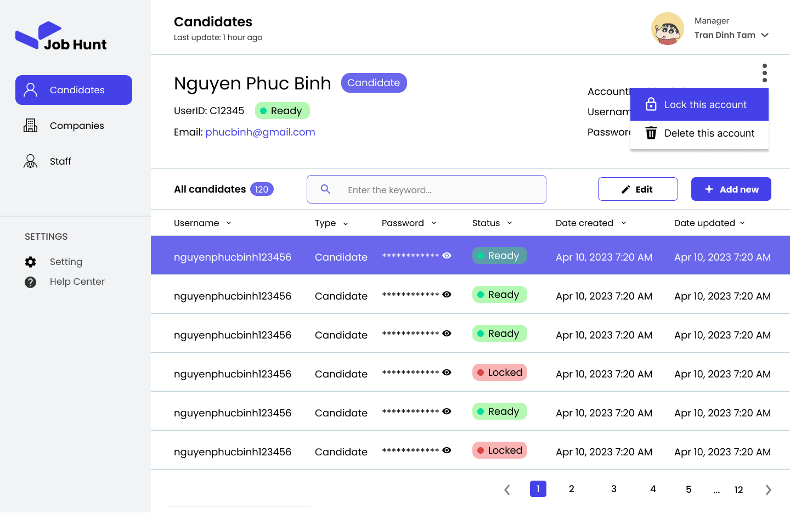
ManageAccountAccess |  |  |  |  |  |  |  | Custom Business Rules
# | Component | Data Type | Label | Editable (Yes/No) | Mandatory (Yes/No) | Default Value | Description | # | Rule Name | Rule Description
1 | titleLabel | Label |  | No |  |  | The title of Candidates page | 1 | Search | [searchBar].onChange(): keyword = [searchBar].value;
2 | searchBar | Textbox (Single line) |  | Yes |  | Enter the keyword… | User enter the keyword to search account by username | 2 | Click on hide pass button | if([hidePassButton].isPressed == true): [passwordLabel].type = "password";
3 | accountInfoCard | Label |  | No |  |  | The clickable label. User click on this label to show [AccountInfo] view | 3 | Click on show pass button | if([showPassButton].isPressed == true): [passwordLabel].type = "text";
4 | usernameLabel | Label |  | No |  |  | The username of account | 4 | Click on lock button | if([lockButton].isPressed == true): [ConfirmationModal].show();
5 | passwordLabel | Password |  | No |  |  | The password of account | 5 | Click on delete button | if([deleteButton].isPressed == true): [ConfirmationModal].show();
6 | typeLabel | Label |  | No |  |  | The type of account (Staff, Company, Candidates) | 6 | Click on unlock button | if([unclockButton].isPressed == true): [ConfirmationModal].show();
7 | dateCreatedLabel | Label |  | No |  |  | The date that the account was created
8 | dateUpdatedLabel | Label |  | No |  |  | The last date that the account was updated
9 | addNewButton | Button | Add new | No |  |  | User click on this button to add new account to the system
10 | avatarImage | Image |  | No |  |  | The avatar of the user
11 | nameLable | Label |  | No |  |  | The name of the user
12 | roleLabel | Label | Manager | No |  |  | The role of the user
13 | hidePassButton | Button |  | No |  |  | User click on this button to change the type of password from "Text" to "Password"
14 | showPassButton | Button |  | No |  |  | User click on this button to change the type of password from "Password" to "Text"
15 | keyword |  |  | Yes |  | null | The keyword that user enter to [searchBar] to search account
16 | editButton | Button | Edit | No |  |  | User click on this button to open [UpdateAccount]
17 | lockButton | Button | Lock this account | No |  |  | User click on this button to lock this account
18 | deleteButton | Button | Delete this account | No |  |  | User click on this button to delete account
19 | accountID | Number |  | No |  |  | The unique id of selected account
20 | unlockButton | Button | Unlock this account | No |  |  | User click on this button to unlock this account

Screen Layout

View 32 - Update Company profil
Sign up company page
# | Component | Data Type | Label | Editable (Yes/No) | Mandatory (Yes/No) | Default Value | Description
1 | LabelCompanyName | Label | Company Name | No |  |  | Show the label for Company Name
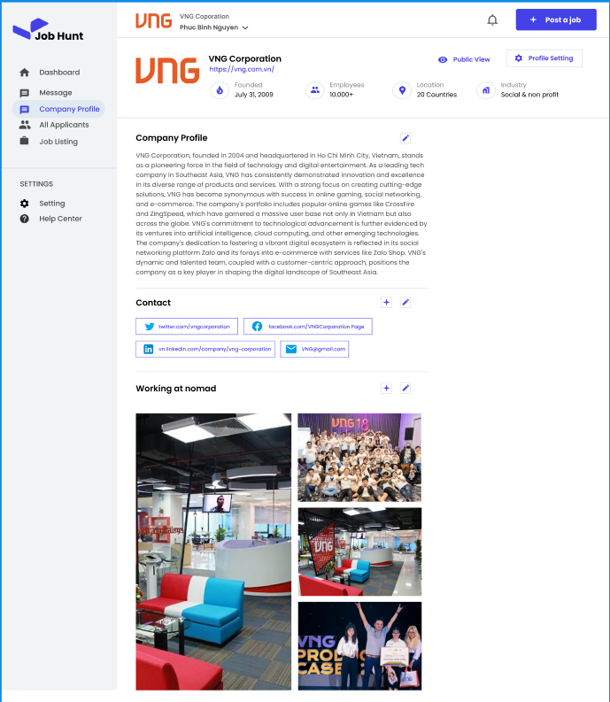
2 | TextboxCompanyName | Textbox (Single line) | Company Name | Yes | Yes |  | Get the company name from the user
3 | LabelIncorporationDate | Label | Incorporation Date | No |  |  | Show the label for the incorporation date Textbox
4 | TextboxIncorporationDate | Textbox | Incorporation Date | Yes | Yes |  | Get the incorporation date from the user
5 | LabelWebsite | Label | Website | No |  |  | Show the label for the website Textbox
6 | TextboxWebsite | Textbox | Website | Yes | Yes |  | Get the website from the user
7 | LabelPhoneNumber | Label | Phone Number | No |  |  | Show the label for the phone number Textbox
8 | TextboxPhoneNumber | Textbox | Phone Number | Yes | Yes |  | Get the phone number from the user
9 | LabelEmailAddress | Label | Email Address | No |  |  | Show the label for the email address Textbox
10 | TextboxEmailAddress | Textbox | Email Address | Yes | Yes |  | Get the email address from the user
11 | LabelAboutYourCompany | Label | About Your Company | No |  |  | Show the label for the about your company Textbox
12 | TextAreaAboutYourCompany | TextArea | About Your Company | Yes | Yes |  | Get the about your company from the user
13 | ButtonSave | Button | Save | No |  |  | Save the update information
14 | ButtonEdit | Button | Edit | No |  |  | Click to edit the information want to update

# | Rule Name | Rule Description
1 | Check empty | All required infromation must not empty

